Notes
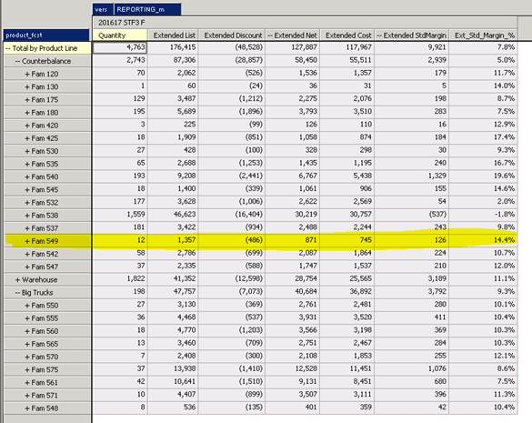
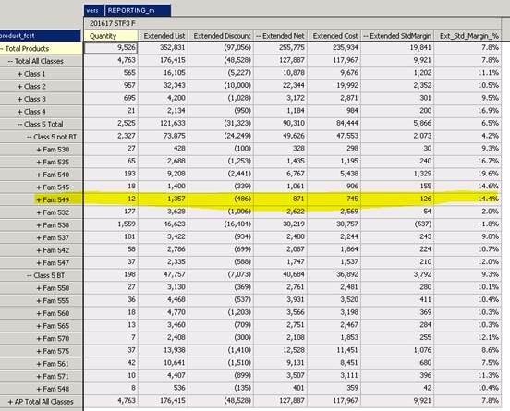
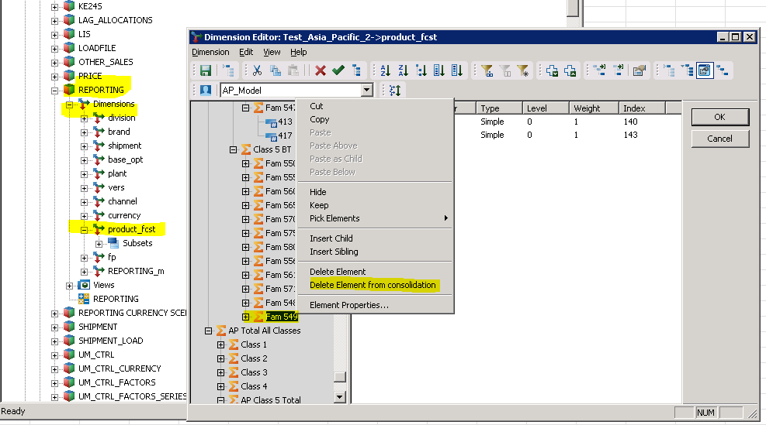
save a CSV copy under \\ACMCGAPP\Data\Unit Margins\Asia-Pacific\Cube Uploads\Product Fcst dimension (TM1).csv
TI process dim_update[product_fcst]_v2

Need to remove family 549 from BT | no longer required, already Automated
in Total product & Total by product line
after load to TM1

